Lesiram_MemProt_Supporting info
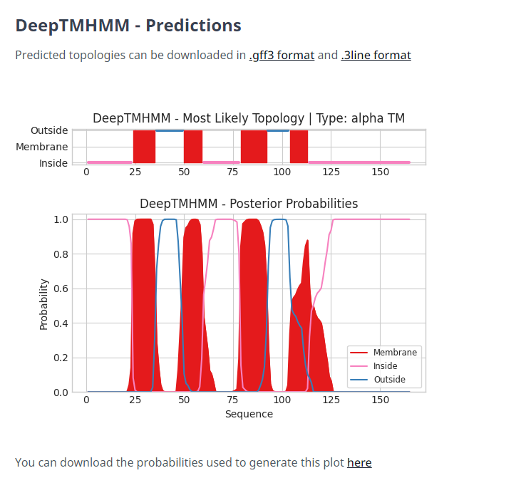
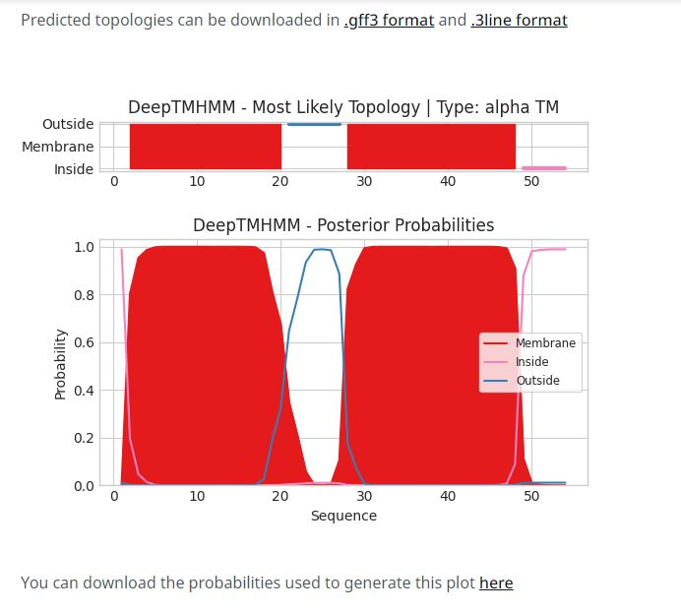
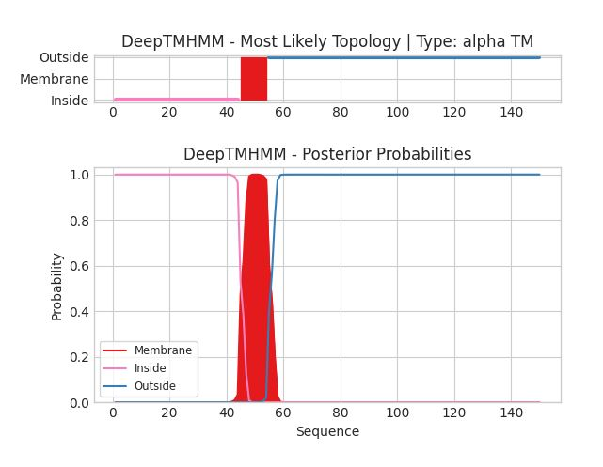
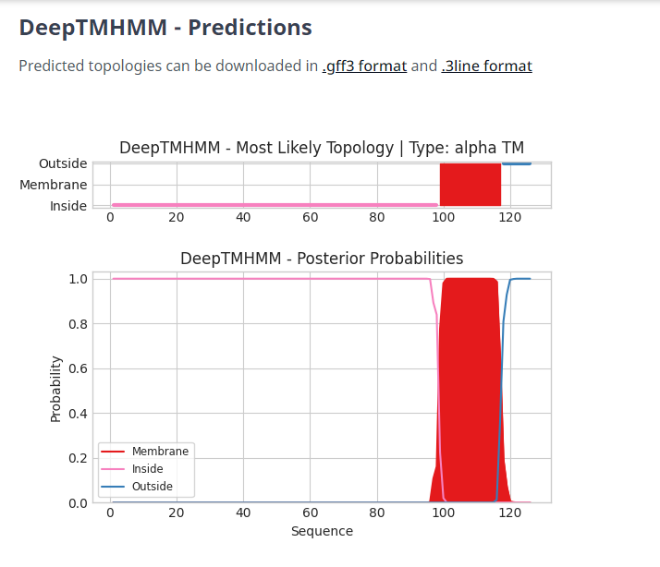
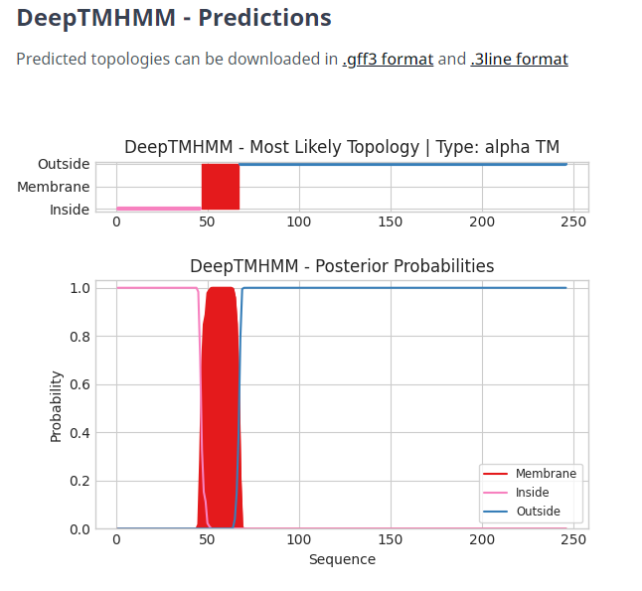
Deep TMHMM Results for Gene 29 | Deep TMHMM Results for Gene 30 | Deep TMHMM Results for Gene 31 | Deep TMHMM Results for Gene 48 | Deep TMHMM Results for Gene 66

